LCV ≤3,5t (vans)
 |  | P R E S S R E L E A S E

 |  | PRESS EMBARGO FOR ALL DATA :
 |  | 8.00 AM (6.00 AM GMT), 26 May 2021

 |  | PROVISIONAL
 |  | EU+EFTA+UK1 NEW REGISTRATION FIGURES BY COUNTRY
 |  | NEW LIGHT COMMERCIAL VEHICLES (LCV) UP TO 3.5T2

 |  | April | April | % change | Jan-Apr | Jan-Apr | % change
 |  | 2021 | 2020 | 21/20 | 2021 | 2020 | 21/20
 | AUSTRIA | 4,660 | 2,188 | +113.0% | 16,443 | 10,260 | +60.3%
 | BELGIUM | 6,973 | 1,369 | +409.3% | 29,332 | 20,617 | +42.3%
 | BULGARIA | 634 | 255 | +148.6% | 2,087 | 1,613 | +29.4%
 | CROATIA | 628 | 287 | +118.8% | 2,818 | 2,202 | +28.0%
 | CYPRUS | 127 | 62 | +104.8% | 586 | 481 | +21.8%
 | CZECH REPUBLIC | 1,599 | 1,137 | +40.6% | 5,903 | 4,787 | +23.3%
 | DENMARK | 2,695 | 1,813 | +48.6% | 11,189 | 9,848 | +13.6%
 | ESTONIA | 407 | 198 | +105.6% | 1,608 | 1,224 | +31.4%
 | FINLAND | 1,095 | 970 | +12.9% | 4,833 | 4,483 | +7.8%
 | FRANCE | 40,198 | 7,038 | +471.2% | 159,660 | 95,297 | +67.5%
 | GERMANY | 23,430 | 13,718 | +70.8% | 90,441 | 77,621 | +16.5%
 | GREECE | 972 | 367 | +164.9% | 3,413 | 1,944 | +75.6%
 | HUNGARY | 2,270 | 1,408 | +61.2% | 8,089 | 7,055 | +14.7%
 | IRELAND3 | 2,386 | 231 | +932.9% | 13,725 | 9,500 | +44.5%
 | ITALY4 | 16,800 | 1,567 | +972.1% | 62,672 | 34,123 | +83.7%
 | LATVIA | 188 | 158 | +19.0% | 779 | 647 | +20.4%
 | LITHUANIA | 400 | 211 | +89.6% | 1,348 | 1,136 | +18.7%
 | LUXEMBOURG | 447 | 153 | +192.2% | 1,832 | 1,272 | +44.0%
 | NETHERLANDS | 6,555 | 3,958 | +65.6% | 27,182 | 22,933 | +18.5%
 | POLAND | 6,910 | 2,626 | +163.1% | 24,992 | 16,015 | +56.1%
 | PORTUGAL | 2,876 | 948 | +203.4% | 9,938 | 7,584 | +31.0%
 | ROMANIA | 1,668 | 668 | +149.7% | 5,020 | 4,019 | +24.9%
 | SLOVAKIA | 681 | 331 | +105.7% | 2,518 | 1,952 | +29.0%
 | SLOVENIA | 803 | 294 | +173.1% | 3,705 | 2,470 | +50.0%
 | SPAIN | 15,879 | 1,823 | +771.0% | 56,415 | 38,147 | +47.9%
 | SWEDEN | 1,904 | 2,485 | -23.4% | 15,547 | 8,136 | +91.1%
 | EUROPEAN UNION | 143,185 | 46,263 | +209.5% | 562,075 | 385,366 | +45.9%
 | EU145 | 126,870 | 38,628 | +228.4% | 502,622 | 341,765 | +47.1%
 | EU126 | 16,315 | 7,635 | +113.7% | 59,453 | 43,601 | +36.4%
 | ICELAND | 112 | 57 | +96.5% | 374 | 360 | +3.9%
 | NORWAY | 3,476 | 2,150 | +61.7% | 11,942 | 10,346 | +15.4%
 | SWITZERLAND | 2,835 | 1,746 | +62.4% | 10,630 | 8,707 | +22.1%
 | EFTA | 6,423 | 3,953 | +62.5% | 22,946 | 19,413 | +18.2%
 | UNITED KINGDOM | 30,440 | 3,387 | +798.7% | 127,796 | 71,294 | +79.3%
 | TOTAL (EU + EFTA + UK) | 180,048 | 53,603 | +235.9% | 712,817 | 476,073 | +49.7%
 | WESTERN EUROPE (EU14 + EFTA + UK) | 163,733 | 45,968 | +256.2% | 653,364 | 432,472 | +51.1%
 | SOURCE: NATIONAL AUTOMOBILE MANUFACTURERS' ASSOCIATIONS |  |  |  |  |  | 1Data for Malta not available
 |  |  |  |  |  |  | 2Including light buses and coaches
 |  |  |  |  |  | 3LCV ≤6t | 4ANFIA estimates
 |  |  |  |  |  |  | 5Member states before the 2004 enlargement
 |  |  |  |  |  |  | 6Member states having joined the EU since 2004
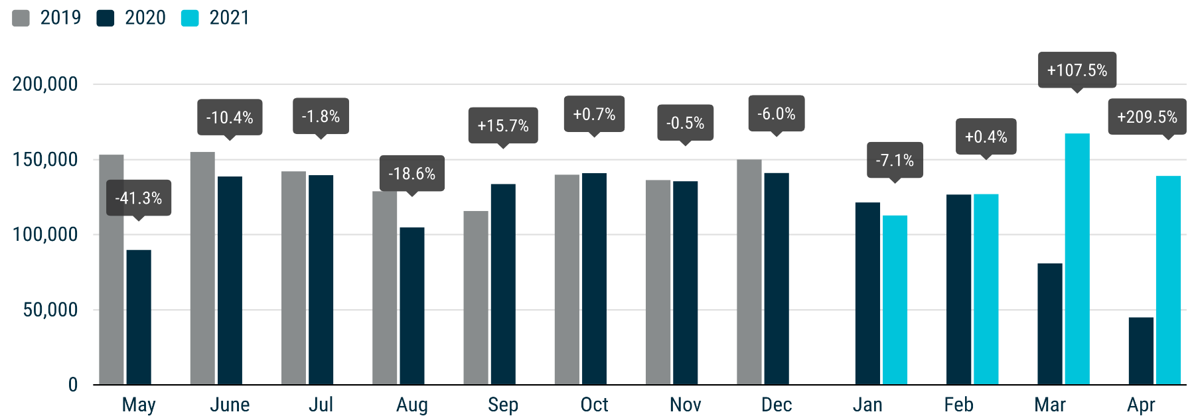

For further information, please contact: Francesca Piazza - Statistics Manager - E-mail: fp@acea.be
This information is available on the ACEA website: http://www.acea.be
Next press release: Thursday 24 June 2021
 |  |  |  |  |  |  | Page 3 of 7

MHCV >3,5t (trucks)
 |  | P R E S S R E L E A S E

 |  | PRESS EMBARGO FOR ALL DATA :
 |  | 8.00 AM (6.00 AM GMT), 26 May 2021

 |  | PROVISIONAL
 |  | EU+EFTA+UK NEW REGISTRATION FIGURES BY COUNTRY
 |  | NEW MEDIUM AND HEAVY COMMERCIAL VEHICLES (MHCV) OVER 3.5T1

 |  | April | April | % change | Jan-Apr | Jan-Apr | % change
 |  | 2021 | 2020 | 21/20 | 2021 | 2020 | 21/20
 | AUSTRIA | 678 | 478 | +41.8% | 2,442 | 1,940 | +25.9%
 | BELGIUM | 748 | 454 | +64.8% | 3,011 | 2,656 | +13.4%
 | BULGARIA | 254 | 65 | +290.8% | 1,006 | 712 | +41.3%
 | CROATIA | 125 | 72 | +73.6% | 425 | 309 | +37.5%
 | CYPRUS | 7 | 2 | +250.0% | 33 | 35 | -5.7%
 | CZECH REPUBLIC | 825 | 465 | +77.4% | 2,797 | 2,278 | +22.8%
 | DENMARK | 362 | 331 | +9.4% | 1,585 | 1,452 | +9.2%
 | ESTONIA | 66 | 43 | +53.5% | 290 | 233 | +24.5%
 | FINLAND | 295 | 287 | +2.8% | 1,256 | 1,275 | -1.5%
 | FRANCE | 3,953 | 1,502 | +163.2% | 15,940 | 12,038 | +32.4%
 | GERMANY | 7,292 | 5,500 | +32.6% | 28,319 | 25,135 | +12.7%
 | GREECE | 34 | 77 | -55.8% | 165 | 248 | -33.5%
 | HUNGARY | 419 | 153 | +173.9% | 1,474 | 1,009 | +46.1%
 | IRELAND | 257 | 92 | +179.3% | 1,034 | 943 | +9.7%
 | ITALY2 | 2,428 | 897 | +170.7% | 9,163 | 6,277 | +46.0%
 | LATVIA | 112 | 27 | +314.8% | 485 | 204 | +137.7%
 | LITHUANIA3 | 384 | 120 | +220.0% | 2,895 | 1,425 | +103.2%
 | LUXEMBOURG | 108 | 34 | +217.6% | 393 | 282 | +39.4%
 | NETHERLANDS | 1,068 | 799 | +33.7% | 4,688 | 4,580 | +2.4%
 | POLAND | 3,166 | 928 | +241.2% | 10,634 | 5,638 | +88.6%
 | PORTUGAL | 345 | 90 | +283.3% | 1,413 | 917 | +54.1%
 | ROMANIA | 590 | 173 | +241.0% | 1,937 | 1,251 | +54.8%
 | SLOVAKIA | 328 | 90 | +264.4% | 1,079 | 650 | +66.0%
 | SLOVENIA | 139 | 84 | +65.5% | 663 | 538 | +23.2%
 | SPAIN | 1,658 | 848 | +95.5% | 7,464 | 5,955 | +25.3%
 | SWEDEN | 615 | 485 | +26.8% | 2,117 | 1,950 | +8.6%
 | EUROPEAN UNION | 26,256 | 14,096 | +86.3% | 102,708 | 79,930 | +28.5%
 | EU14 | 19,841 | 11,874 | +67.1% | 78,990 | 65,648 | +20.3%
 | EU12 | 6,415 | 2,222 | +188.7% | 23,718 | 14,282 | +66.1%
 | ICELAND | 14 | 21 | -33.3% | 79 | 78 | +1.3%
 | NORWAY | 543 | 594 | -8.6% | 2,008 | 2,038 | -1.5%
 | SWITZERLAND | 436 | 272 | +60.3% | 1,337 | 1,248 | +7.1%
 | EFTA | 993 | 887 | +12.0% | 3,424 | 3,364 | +1.8%
 | UNITED KINGDOM3 | 3,555 | 1,269 | +180.1% | 14,816 | 12,824 | +15.5%
 | TOTAL (EU + EFTA + UK) | 30,804 | 16,252 | +89.5% | 120,948 | 96,118 | +25.8%
 | WESTERN EUROPE (EU14 + EFTA + UK) | 24,389 | 14,030 | +73.8% | 97,230 | 81,836 | +18.8%
 | SOURCE: NATIONAL AUTOMOBILE MANUFACTURERS' ASSOCIATIONS |  |  |  |  |  | 1Excluding buses and coaches over 3.5t
 |  |  |  |  | 2ANFIA estimates based on vehicle registration certificates issued by the Italian Ministry of Transport
 |  |  |  |  |  |  | 3Estimates

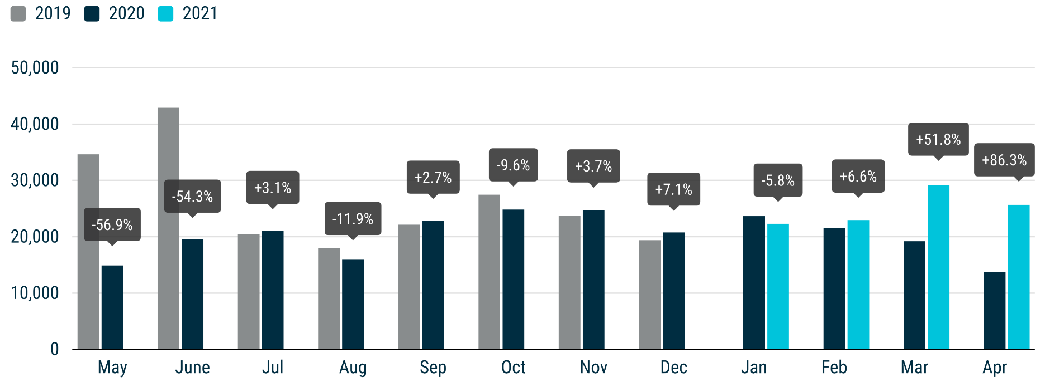

For further information, please contact: Francesca Piazza - Statistics Manager - E-mail: fp@acea.be
This information is available on the ACEA website: http://www.acea.be
 |  |  |  |  |  |  |  | Page 5 of 7

MHBC >3,5t
 |  | P R E S S R E L E A S E

 |  | PRESS EMBARGO FOR ALL DATA :
 |  | 8.00 AM (6.00 AM GMT), 26 May 2021

 |  | PROVISIONAL
 |  | EU+EFTA+UK NEW REGISTRATION FIGURES BY COUNTRY
 |  | NEW MEDIUM AND HEAVY BUSES & COACHES (MHBC) OVER 3.5T

 |  | April | April | % change | Jan-Apr | Jan-Apr | % change
 |  | 2021 | 2020 | 21/20 | 2021 | 2020 | 21/20
 | AUSTRIA | 52 | 2 | +2,500.0% | 319 | 226 | +41.2%
 | BELGIUM | 147 | 60 | +145.0% | 388 | 286 | +35.7%
 | BULGARIA | 27 | 16 | +68.8% | 31 | 71 | -56.3%
 | CROATIA | 14 | 0 |  | 44 | 26 | +69.2%
 | CYPRUS | 3 | 0 |  | 6 | 8 | -25.0%
 | CZECH REPUBLIC | 89 | 34 | +161.8% | 481 | 260 | +85.0%
 | DENMARK | 6 | 15 | -60.0% | 115 | 123 | -6.5%
 | ESTONIA | 47 | 3 | +1,466.7% | 90 | 75 | +20.0%
 | FINLAND | 11 | 6 | +83.3% | 42 | 67 | -37.3%
 | FRANCE | 228 | 112 | +103.6% | 1,672 | 1,503 | +11.2%
 | GERMANY | 410 | 237 | +73.0% | 1,683 | 1,845 | -8.8%
 | GREECE | 34 | 7 | +385.7% | 93 | 120 | -22.5%
 | HUNGARY | 8 | 35 | -77.1% | 86 | 257 | -66.5%
 | IRELAND | 69 | 4 | +1,625.0% | 190 | 61 | +211.5%
 | ITALY1 | 190 | 152 | +25.0% | 1,161 | 1,286 | -9.7%
 | LATVIA | 8 | 3 | +166.7% | 35 | 23 | +52.2%
 | LITHUANIA2 | 8 | 5 | +60.0% | 61 | 78 | -21.8%
 | LUXEMBOURG | 1 | 3 | -66.7% | 73 | 103 | -29.1%
 | NETHERLANDS | 27 | 23 | +17.4% | 130 | 251 | -48.2%
 | POLAND | 77 | 64 | +20.3% | 384 | 456 | -15.8%
 | PORTUGAL | 82 | 16 | +412.5% | 223 | 212 | +5.2%
 | ROMANIA | 89 | 21 | +323.8% | 262 | 207 | +26.6%
 | SLOVAKIA | 0 | 15 | -100.0% | 49 | 80 | -38.8%
 | SLOVENIA | 1 | 0 |  | 40 | 19 | +110.5%
 | SPAIN | 114 | 56 | +103.6% | 476 | 648 | -26.5%
 | SWEDEN | 100 | 99 | +1.0% | 262 | 207 | +26.6%
 | EUROPEAN UNION | 1,842 | 988 | +86.4% | 8,396 | 8,498 | -1.2%
 | EU14 | 1,471 | 792 | +85.7% | 6,827 | 6,938 | -1.6%
 | EU12 | 371 | 196 | +89.3% | 1,569 | 1,560 | +0.6%
 | ICELAND | 1 | 0 |  | 6 | 8 | -25.0%
 | NORWAY | 38 | 114 | -66.7% | 150 | 281 | -46.6%
 | SWITZERLAND | 34 | 25 | +36.0% | 148 | 140 | +5.7%
 | EFTA | 73 | 139 | -47.5% | 304 | 429 | -29.1%
 | UNITED KINGDOM2 | 329 | 99 | +232.3% | 1,020 | 1,842 | -44.6%
 | TOTAL (EU + EFTA + UK) | 2,244 | 1,226 | +83.0% | 9,720 | 10,769 | -9.7%
 | WESTERN EUROPE (EU14 + EFTA + UK) | 1,873 | 1,030 | +81.8% | 8,151 | 9,209 | -11.5%
 | SOURCE: NATIONAL AUTOMOBILE MANUFACTURERS' ASSOCIATIONS |  |  |  | 1ANFIA estimates based on vehicle registration certificates issued by the Italian Ministry of Transport
 |  |  |  |  |  |  | 2Estimates

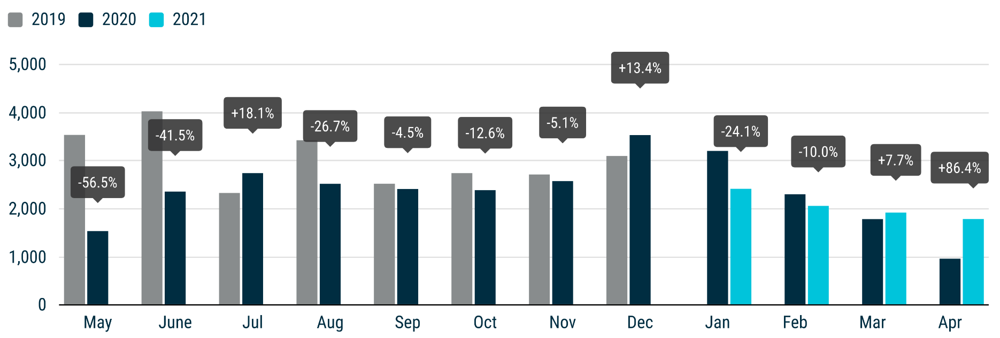

For further information, please contact: Francesca Piazza - Statistics Manager - E-mail: fp@acea.be
This information is available on the ACEA website: http://www.acea.be
 |  |  |  |  |  |  |  | Page 6 of 7

TOTAL
 |  | P R E S S R E L E A S E

 |  | PRESS EMBARGO FOR ALL DATA :
...
 |  | April | April | % change | Jan-Apr | Jan-Apr | % change
 | EU12 | 23,101 | 10,053 | +129.8% | 84,740 | 59,443 | +42.6%
 | ICELAND | 127 | 78 | +62.8% | 459 | 446 | +2.9%
 | NORWAY | 4,057 | 2,858 | +42.0% | 14,100 | 12,665 | +11.3%
 | SWITZERLAND | 3,305 | 2,043 | +61.8% | 12,115 | 10,095 | +20.0%
 | EFTA | 7,489 | 4,979 | +50.4% | 26,674 | 23,206 | +14.9%
 | UNITED KINGDOM | 34,324 | 4,755 | +621.9% | 143,632 | 85,960 | +67.1%
 | TOTAL (EU + EFTA + UK) | 213,096 | 71,081 | +199.8% | 843,485 | 582,960 | +44.7%
 | WESTERN EUROPE (EU14 + EFTA + UK) | 189,995 | 61,028 | +211.3% | 758,745 | 523,517 | +44.9%
 | SOURCE: NATIONAL AUTOMOBILE MANUFACTURERS' ASSOCIATIONS

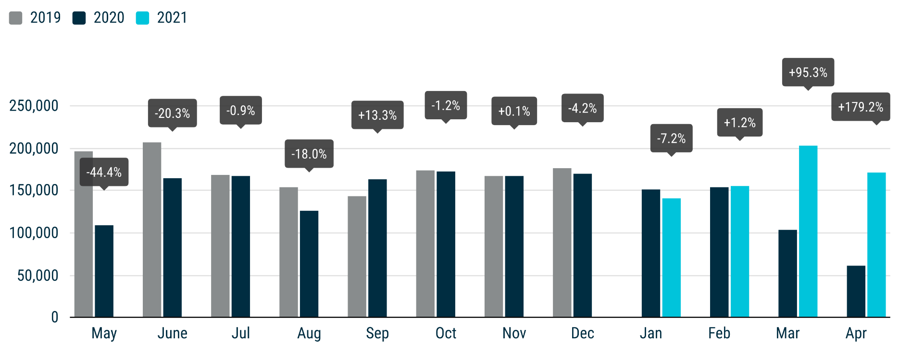

For further information, please contact: Francesca Piazza - Statistics Manager - E-mail: fp@acea.be
This information is available on the ACEA website: http://www.acea.be
 |  |  |  |  |  |  |  | Page 7 of 7

